Q2
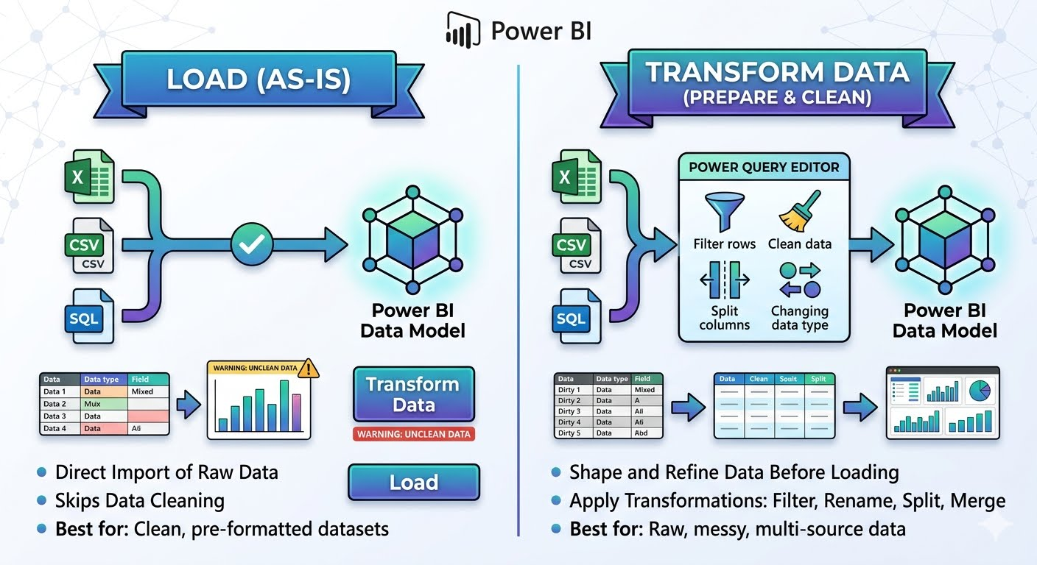
Question 2 : Explain the difference between “Load” and “Transform Data” in Power BI.

Q4
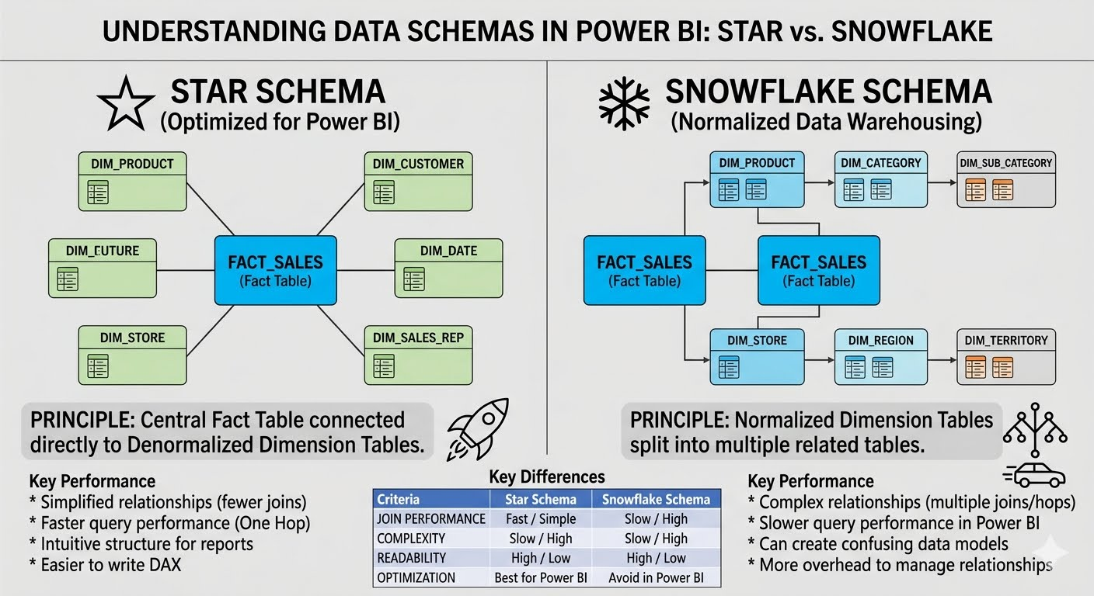
Question 4 : Why is Star Schema preferred over Snowflake Schema in Power BI?

Here is why the Star Schema is preferred:

Better Performance: Power BI’s engine is optimized for a "single hop." In a Star Schema, the engine only has to look at one Dimension table to filter the Fact table. In a Snowflake Schema, it might have to join three or four tables just to get one product name, which slows down your reports.

Simpler DAX: Writing calculations (DAX) is much easier when the relationships are simple. In a Star Schema, you don’t have to worry about complex "cross-filtering" issues that often arise when dimensions are chained together.

User Friendly: When other people use your dataset to build their own reports, a Star Schema is much more intuitive. They see clear, descriptive tables (Product, Date, Customer) surrounding a central sales table, rather than a confusing web of sub-categories and sub-territories.

Q5
Question 5 : Identify and remove duplicate records based on Date, Country, and State.

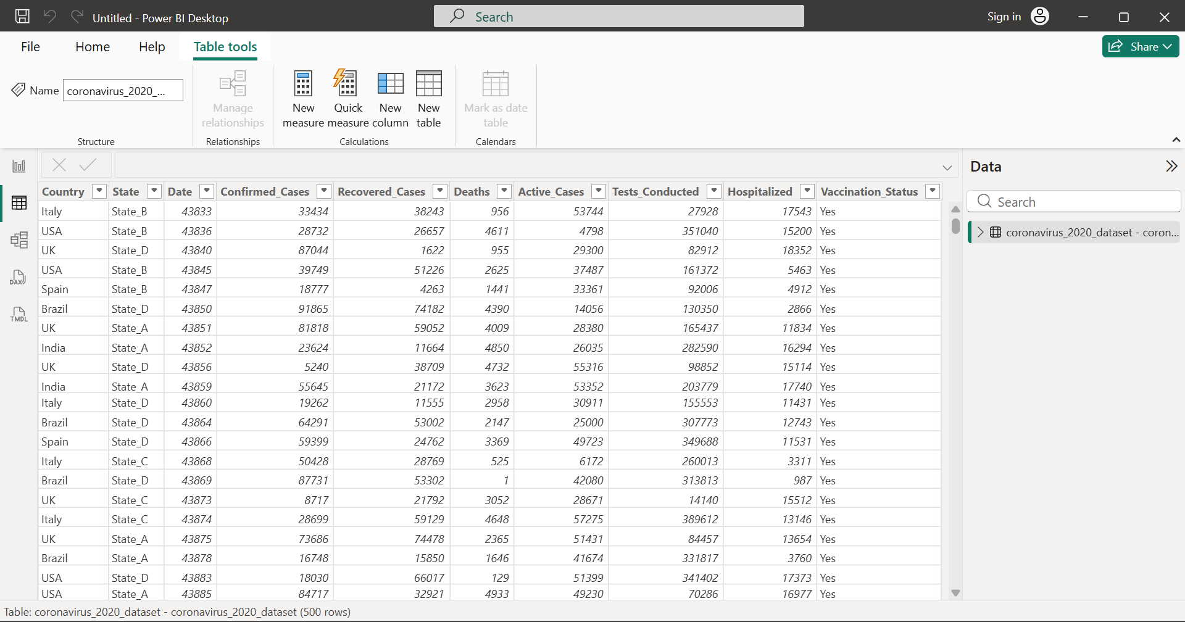
 | How to REMOVE duplicates (Step-by-step)
 | 🔹 Step 1: Open Power Query
 | Go to Home → Transform Data
 | 🔹 Step 2: Select Columns

 | Hold Ctrl and select:

 | Country
 | State
 | Date
 | 🔹 Step 3: Remove Duplicates
 | Go to Home tab → Remove Rows → Remove Duplicates

 | 👉 This will:

 | Keep only first record
 | Remove all repeated combinations of Country + State + Date
 | 🔹 Step 4: Apply Changes
 | Click Close & Apply

Q6
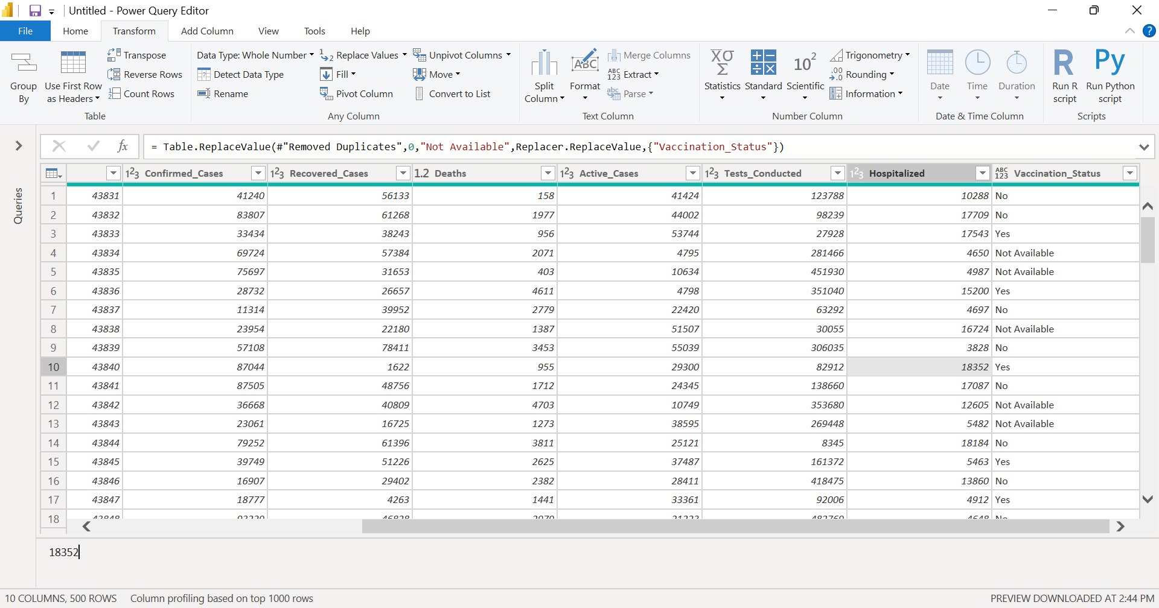
Question 6 : Identify and replace null values in VACCINATION_STATUS

 | Step-by-step (Power BI)
 | 🔹 Step 1: Open Power Query
 | Go to Home → Transform Data
 | 🔹 Step 2: Select Column
 | Click on Vaccination_Status
 | 🔹 Step 3: Replace Null Values
 | Go to Transform tab → Replace Values
 | Step 4: Apply Changes
 | Click Close & Apply

Q7
Question 7 : Create a new column to calculate Recovery Rate.
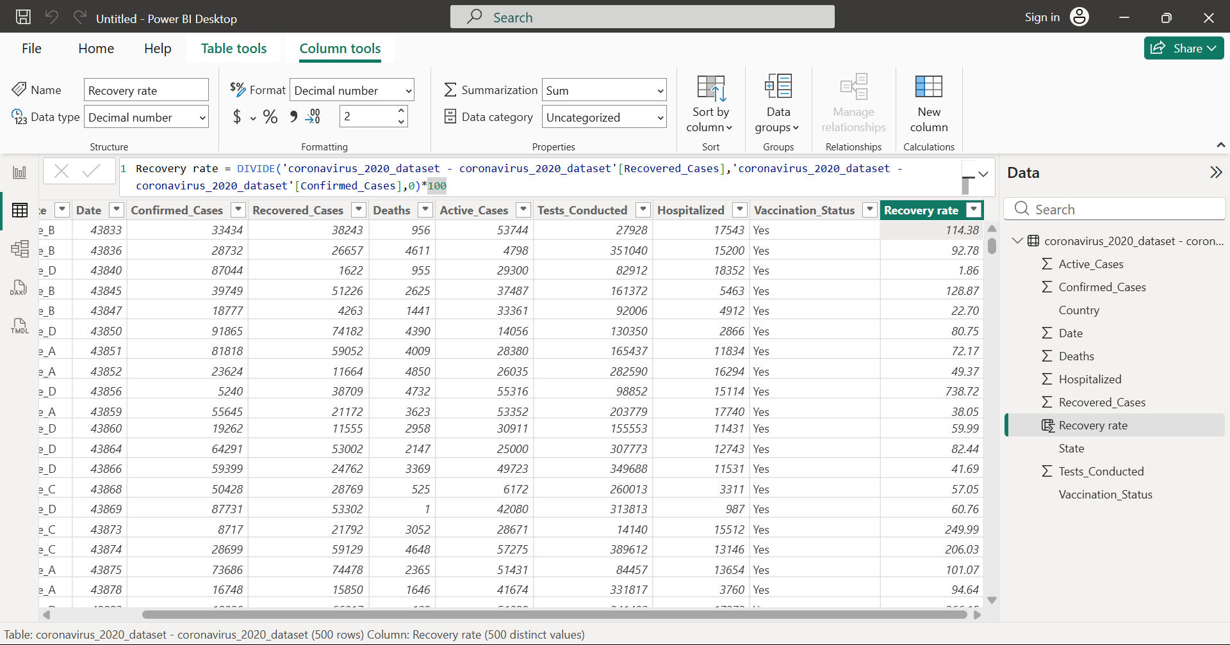

 | 🔹 Step 1:

 | Go to Data View

 | 🔹 Step 2:

 | Click New Column

 | 🔹 Step 3:

 | Write this DAX:

 | Recovery Rate =
 | DIVIDE(
 | TableName'[Recovered_Cases],
 | TableName'[Confirmed_Cases],
 | 0
 | ) * 100

 | Replace 'TableName' with your actual table name

Q8
Question 8 : Create a summarized table showing total confirmed cases by Country.
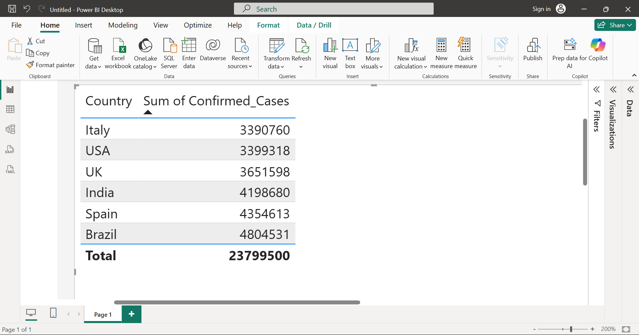
 | 🔹 Step 1:

 | Go to Report View

 | 🔹 Step 2:

 | From Visualizations pane
 | 👉 Click on Table icon (grid-like icon)

 | 🔹 Step 3:

 | Now add fields:

 | Drag Country → Values
 | Drag Confirmed_Cases → Values
 | 🔹 Step 4:

 | Set aggregation

 | Click dropdown on Confirmed_Cases
 | Select Sum
 | 🔹 Step 5 (Optional):

 | Rename column

 | Change to → Total Confirmed Cases

